Test No.4
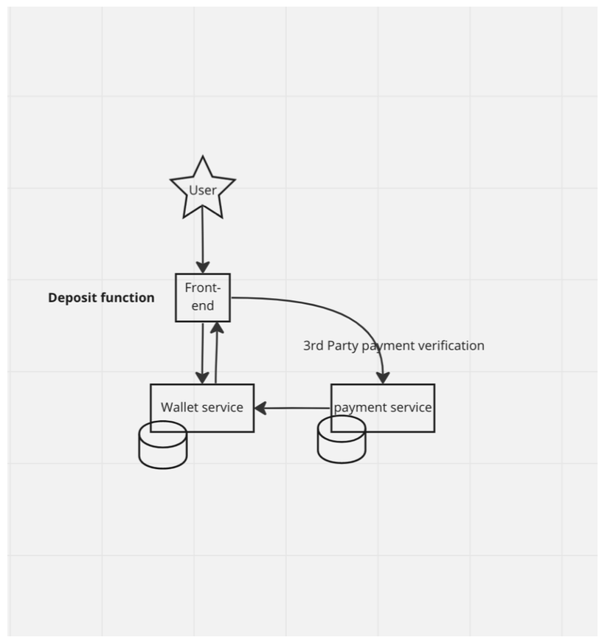
Epic | Test Lists | Expected
Front-end Functionality | Test deposit form validation | Data is sent to the back-end successfully.
 | Test invalid input in the form | Error message prompts the user to correct the input.
 | Test connection to back-end | Server responds correctly with success or error messages.
Wallet Service | Test wallet balance update | Wallet balance increases by the deposit amount.
 | Test handling of failed payment | Wallet balance is not updated, and an error is logged.
 | Test data integrity | No duplicate or missing data in the wallet.
 | Test cancellation during deposit | Request is canceled, and no wallet update occurs.
Payment Service | Test request to 3rd party service | Data is correct.
 | Test callback handling | Payment service updates wallet service correctly.
 | Test transaction logging | Transaction is logged accurately in the database.
3rd Party Payment Verification | Test transaction verification | 3rd party confirms the payment or rejects it correctly.
 | Test failed payment scenario | Wallet is not updated, and an error message is shown.
 | Test communication security | Data is securely encrypted, and signatures are valid.
Performance | Test network failure | "Network Error" is displayed, and no wallet update occurs.
 | Test high traffic (Load Test) | All requests are processed within the acceptable time.

Concern Point | Reason
Data Security | Use encryption to protect sensitive data like payment details.
3rd Party | Ensure the 3rd party service works smoothly to avoid payment issues.
Data Accuracy | Avoid losing or duplicating transaction data.
Performance | Handle many users at the same time without slowing down.
Error Handling | Manage failed payments, network errors, and wrong inputs effectively.

